general
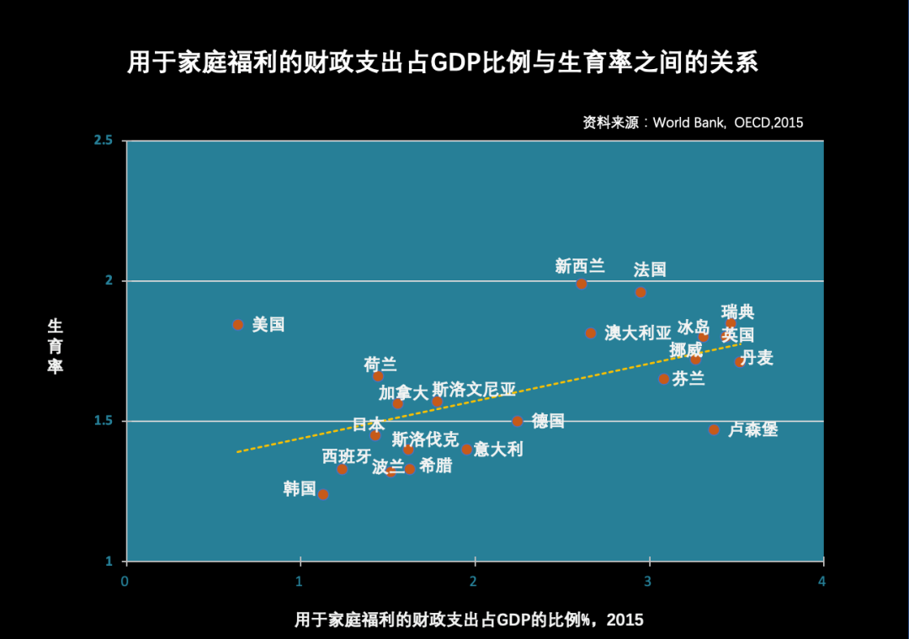
Source | argument
YuWa Population Research | 用于家庭福利的财政支出越多，生育率越高 | https://www.yuwa.org.cn/article/detail?id=19
Figure. World Bank, OECD

YuWa Population Research | 在中国，托儿服务严重缺乏。原国家卫计委的数据显示，0-3岁婴幼儿在我国各类托幼机构的入托率仅为4%。我建议把0-3岁婴幼儿的入托率提高到50%左右。要实现这一目标，政府有必要直接或者牵头兴建至少10万个幼托中心。具体方式可以包括加大财政投入和鼓励民间资本进入。 | https://www.yuwa.org.cn/article/detail?id=22
 | 产假的成本需要国家承担，而且男女都可以享受
 | 产假期间的用工成本，应该主要由国家承担，这样可以让企业打消部分雇佣女性员工的顾虑。同时也要允许男性员工来修产假（甚至像有些国家强制男性去修产假），这样让男性也可以帮忙一起带孩子。

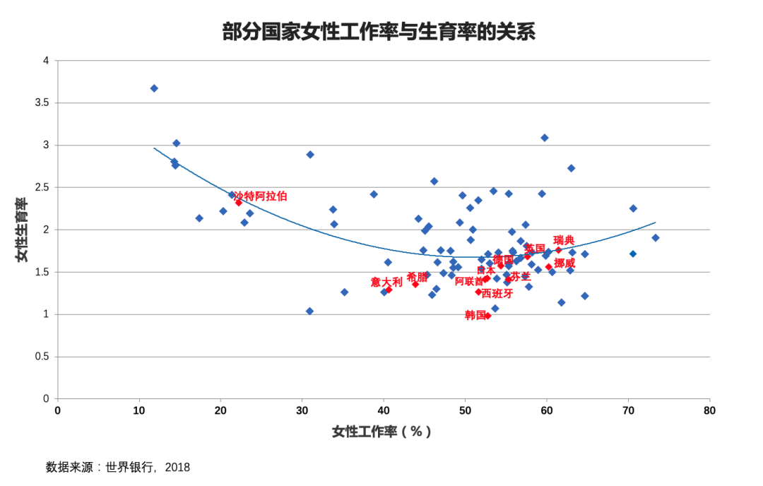
YuWa Population Research |  | https://www.yuwa.org.cn/article/detail?id=22

 | 中国生育成本报告：按城乡、省份、收入水平； 国际比较 | chrome-extension://efaidnbmnnnibpcajpcglclefindmkaj/https://file.c-ctrip.com/files/6/yuwa/0R726120009bzjzhb3FD7.pdf
51job 前程无忧 | 主动离职： 2020， 8.1%； 2021 14.1%； | https://mp.weixin.qq.com/s/illks-eesyWs-ntToJk0wA
 | 员工离职 2019， 18.9%； 2020 14.8%， 2021 18.8%
 | 行业：餐饮、酒店、旅游： 2020： 16.5%， 2021： 24.7%； 文体、教育、传媒： 2020： 16.9%， 2021： 24.5%
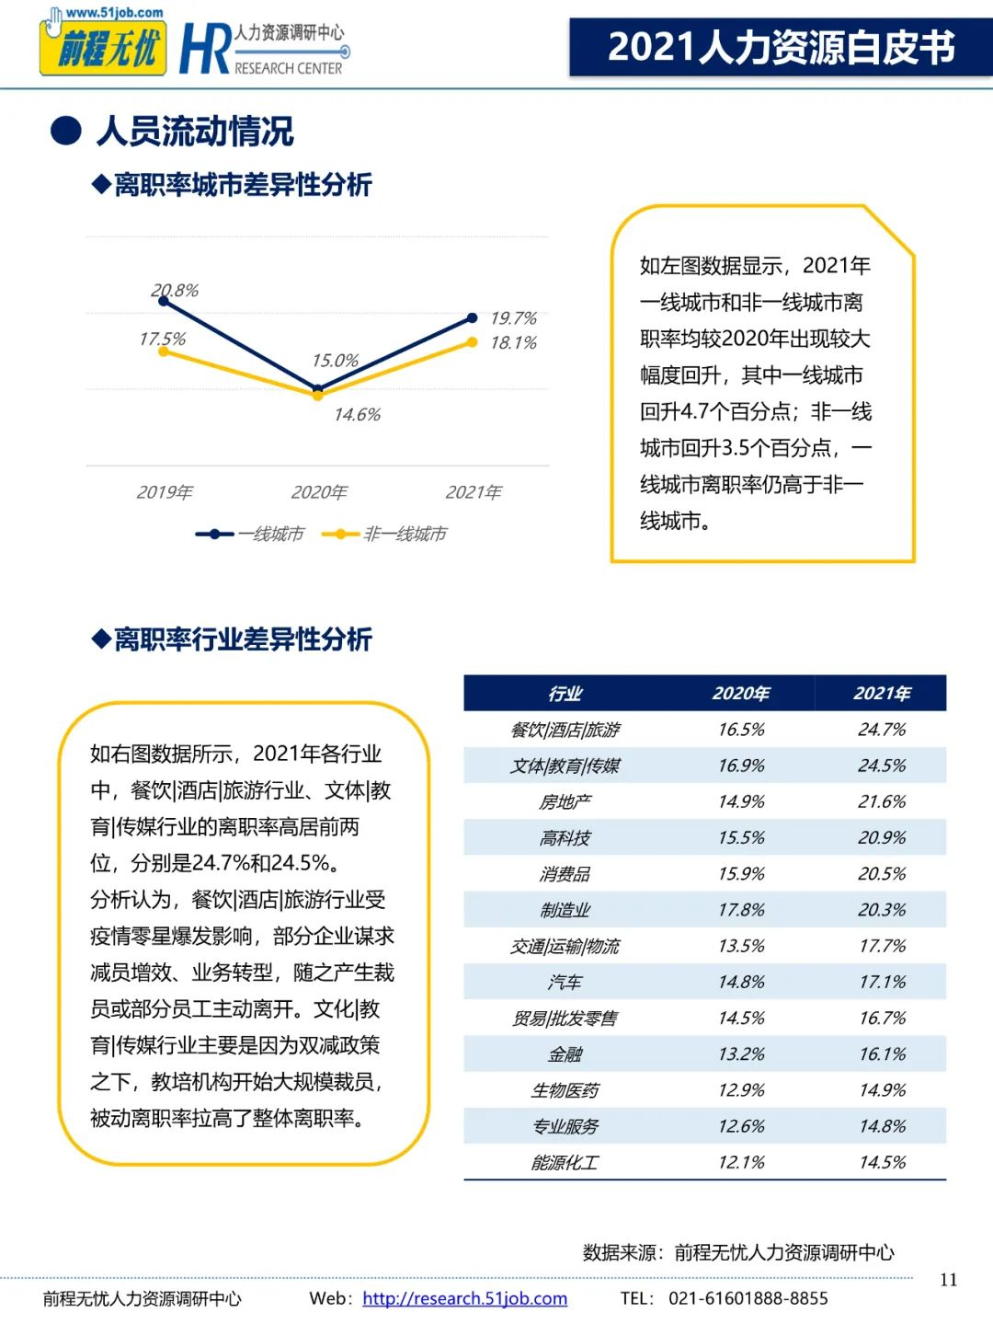

Washingtonpost | In Asia’s diverse economies, other pains are being felt. China is seeing its own version of the “Great Resignation,” with a younger generation of workers more disenchanted by their prospects and turned off by the relatively low wages in the manufacturing centers that powered China’s economic rise. Authorities in Beijing warn of a growing shortage of skilled workers in its crucial tech industry, a challenge for China’s leadership as it tries to steer the national economy toward more skilled sectors. And as global demand picks up after the fallow months of the pandemic, China’s factories are feeling the pinch of labor shortages. | https://www.washingtonpost.com/world/2021/10/18/labor-great-resignation-global/
SCMP | Intense pressure, long working hours and relatively low wages have convinced millions to embrace ‘flexible employment’ and freelancing, often in a gap between full-time work Income is important, but Gen Z and younger millennials say their ideal jobs offer freedom while allowing them to pursue their passions | https://www.scmp.com/economy/china-economy/article/3152487/chinas-great-resignation-freelancers-find-both-hope-and?utm_content=article&utm_medium=Social&utm_source=Twitter#Echobox=1634453078-1
 | The economy is facing a structural contradiction of a shortage of skilled workers and high and rising joblessness among young people. Businesses in the eastern coastal regions of the country have reported difficulties in recruiting workers, while the unemployment rate of those aged 16-24 is more than three times the national rate of 5.1%. | https://www.bloomberg.com/news/articles/2021-08-30/china-targets-55-million-jobs-better-worker-rights-in-new-plan

quit rate
Year | Quit rate
2019 | 13.4
2020 | 8.1
2021 | 14.1

unemployment rate
城镇人口： https://data.stats.gov.cn/easyquery.htm?cn=A01&zb=A0E01&sj=202209
Time | age 16-24 | age 25-59
Jan-19 | 11.2 | 4.6
Feb-19 | 11.0 | 4.9
Mar-19 | 11.3 | 4.8
Apr-19 | 9.9 | 4.7
May-19 | 10.5 | 4.5
Jun-19 | 11.6 | 4.6
Jul-19 | 13.9 | 4.6
Aug-19 | 13.1 | 4.5
Sep-19 | 13 | 4.6
Oct-19 | 12.4 | 4.6
Nov-19 | 12.5 | 4.6
Dec-19 | 12.2 | 4.7
Jan-20 | 12.5 | 4.7
Feb-20 | 13.6 | 5.6
Mar-20 | 13.3 | 5.4
Apr-20 | 13.8 | 5.5
May-20 | 14.8 | 5.4
Jun-20 | 15.4 | 5.2
Jul-20 | 16.8 | 5
Aug-20 | 16.8 | 4.8
Sep-20 | 15 | 4.8
Oct-20 | 13.2 | 4.8
Nov-20 | 12.8 | 4.7
Dec-20 | 12.3 | 4.7
Jan-21 | 12.7 | 4.9
Feb-21 | 13.1 | 5
Mar-21 | 13.6 | 4.8
Apr-21 | 13.6 | 4.6
May-21 | 13.8 | 4.4
Jun-21 | 15.4 | 4.2
Jul-21 | 16.2 | 4.2
Aug-21 | 15.3 | 4.3
Sep-21 | 14.6 | 4.2
Oct-21 | 14.2 | 4.2
Nov-21 | 14.3 | 4.3
Dec-21 | 14.3 | 4.4
Jan-22 | 15.3 | 4.6
Feb-22 | 15.3 | 4.8
Mar-22 | 16 | 5.2
Apr-22 | 18.2 | 5.3
May-22 | 18.4 | 5.1
Jun-22 | 19.3 | 4.5
Jul-22 | 19.9 | 4.3
Aug-22 | 18.7 | 4.3
Sep-22 | 17.9 | 4.7
Oct-22 | 17.9 | 4.7
Nov-22 | 17.1 | 5

